Definitions
Acronym | Definition | Difference between ETC and EAC
Estimate at Completion (EAC) - | However, EAC, or the Estimate at Completion in project management, is the total cost anticipated at the project's completion. It’s a combination of the actual cost incurred till date and the ETC. | Parameter | Estimate to Complete (ETC) | Estimate at Completion (EAC)
Estimate to Complete (ETC) | ETC, or Estimate to Complete, is a projection of the cost required to complete the remaining work in a project. In my experience, it’s a valuable tool for keeping a project within its budget. | Definition | Cost to complete remaining work | Total cost at project completion
 |  | Focus | Remaining Work | Total Project Cost
 |  | Calculation | (BAC - EV) / CPI | AC + ETC
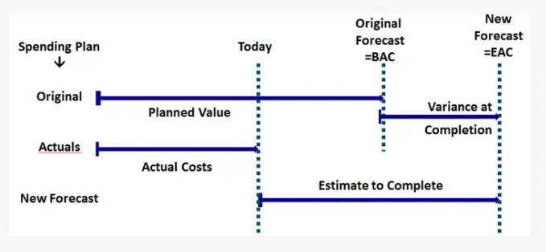
 |  | Decision Making | Resource Allocation | Overall Project Budget Control
 |  | Impact | Affects future cash flow needs | Indicates potential budget overruns/underruns
 |  | Usage | Mid-project to control budget | Start of project to set budget
 |  | Change | Changes as project progresses | Generally constant, changes if scope changes

